Sheet1
Agnidus Agate Gemstone | Agnidus Agate Chunk | Agnidus Agate Fragment | Agnidus Agate Sliver | Varunada Lazurite Chunk | Varunada Lazurite Fragment | varunada Lazurite Sliver
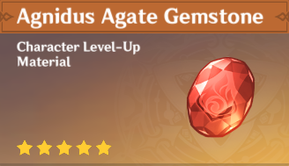 |  |  |  | 